Printable Report
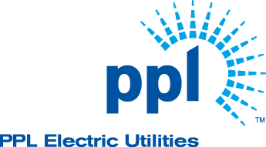
 | PPL Electric Direct Discount Program
 | Customer Name:
 | Prepared by:

 | Customer Acknowledgement (please initial): _______________ Contractor Acknowledgement (please initial): _______________ |  | Date: _______________ Date: _______________

 | Summary Table |  |  | This project's annual electric savings are equivalent to:
 | Project Cost: | $0.00 |  |  | 0.0 | acres of forest saved
 | Energy Savings (kWh): | 0
 | Annual Cost Savings: | $0.00
 | Available Utility Incentive: | $0.00 |  |  | 0 | miles driven by an average car
 | Cost to Customer: | $0.00
 | Simple Pay Back (Yrs.)
 |  |  |  |  | 0.0 | tons of waste recycled instead of landfilled
 | BY THE NUMBERS | COST OF WAITING
 | $0.00 | $0.00
 |  |  |  |  | 0 | gallons of gasoline consumed
 | Available Utility Incentive | Monthly

 | 0% | $0.00 |  |  | 0 | pounds of coal burned

 | Return on Investment | Annually
 |  |  |  | Factors from US EPA GHG Equivalencies Calculator

Measure List row | Measure | Measure Details | Quantity | Project Cost ($) | Energy Savings (kWh) | Utility Cost Savings ($) | Incentive ($) | Cost to Customer

